Dump
API Name | Bug Description | Pay Load | Error/Success Message | Screenshot
Estimation Approval API | 1. Please change “Entity” to “Claim Approval” in the confirmation message of successful claim approval. | { "aiz_claim_number": "07786738985", "approval_status": "On Hold" } | { "status": "Success", "message": "Entity has been updated successfully.", "data": null }
Estimation Approval API | 2.Claim status should not get update in case of CPP but this is happening. | { "aiz_claim_number": "07786738985", "approval_status": "On Hold" } | { "status": "Success", "message": "Entity has been updated successfully.", "data": null } | 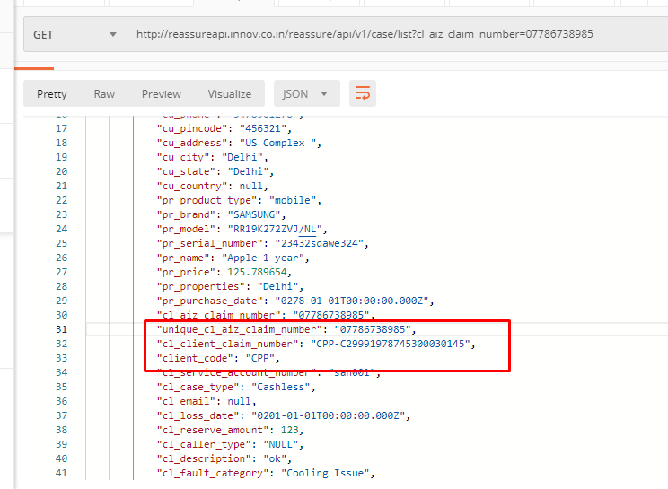
Escalated Cases API | 1. Please change “Entity” to “Escalation Status” in the confirmation message of successful escalation. | { "aiz_claim_number": "07786738985", "escalation": "yes" } | { "status": "Success", "message": "Entity has been updated successfully.", "data": null }
Claim Cancellation API | 1. User is able to cancel the claim without entering “Cancellation Reason” which is a mandatory field. | { "aiz_claim_number": "07786738985", "claim_status": "cancelled", "cancellation_reason": "" } | { "status": "Success", "message": "Entity has been updated successfully.", "data": null }
 | 2. Please change “Entity” to “Escalation Status” in the confirmation message of successful escalation. | { "aiz_claim_number": "07786738985", "claim_status": "cancelled", "cancellation_reason": "" } | { "status": "Success", "message": "Entity has been updated successfully.", "data": null }
 | 3. Claim status should not get update in case of CPP but this is happening. | { "aiz_claim_number": "07786738985", "claim_status": "cancelled", "cancellation_reason": "Hi this is dummy text" } | { "status": "Success", "message": "Entity has been updated successfully.", "data": null }

